CONTINUUM SUMMARY
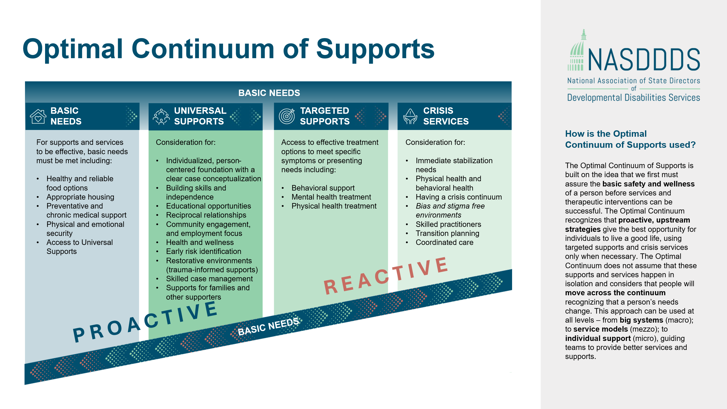
Optimal Continuum
Dimension | CURRENT CONTINUUM
BASIC NEEDS | 0.00
UNIVERSAL SUPPORTS | 0.00
TARGETED SUPPORTS | 0.00
CRISIS SERVICES | 0.00

